Sheet1
ura.pearl
Customer Segment | Demographics |  |  |  |  |  |  |  |  | Geographic |  |  |  |  |  |  | Psychographic |  |  |  |  |  | Behavioral
 | Gender | Age | Martial Status | Education Level | Occupation | Income | Ethnicity | Religion | Languages | Country | State | City | Urban/Rural | Population Density | Economic Conditions | Local Language | LifeStyle | Values | Personality Traits | Interests/Hobbies | Motivation | Media Preferences | Social Class | Purchas Frequency | Average Order Value | Preferred Payment Method | Purchase Channel | Product Preference | Brand Loyalty
Segment 1 | Female | 18-45 | Single/Engaged/Recently Married/With-Kids | Higher Education | Unemployed/Non-Phsically demanding job | 10K+EGP | Caucasian/Middle Eastern | Muslim/Cristian | Arabic, English | Egypt | Greater Cairo | New Cairo, Zaid, Maadi, Heliopolis, 6-October | Urban | Medium | Affluent | Arabic | Fashion and Style | Luxury | Assertive, Detail-Oriented | Shopping, Vlogging, Fitness, Festivals | Status-Driven | Instgram, Tiktok | High/High-Mid | Above average | 1K+EGP | Touchless | Online | Bags, Tops, Necklace, etc | High
Segment 2 | Female | 18-35 | Single/Engaged/Recently Married | Higher Education | Unemployed/Part-Time/Full-Time | 2K+EGP | Caucasian/Middle Eastern | Muslim/Cristian | Arabic, English | Egypt | Greater Cairo/Alex/Others | N/A excluding non financially stable areas | Urban/Rural | Medium/High | Financially Stable | Arabic | Work-Life Balance | Sustainability | Self-assured, Detail-Oriented | Shopping, Fashion, Photography | Price-Conscious | Instgram, Tiktok | Middle class | Expected norm | 400-600EGP | Touchless | Online | Bags mainly | Moderate
Segment 3 | Male | 24-35 | In Relationship/Recently Married | Higher Education | Full-Time/Part-Time | 10K-30K EGP | Caucasian/Middle Eastern | Muslim/Cristian | Arabic, English | Egypt | Greater Cairo/Alex/Others | N/A excluding non financially stable areas | Urban/Rural | Medium/High | Financially Stable | Arabic | Romantically-Inclined | Emotional connection | Nurturing, Romantic | Romance, Impressing partner | Awesome souvenir | Instgram, Tiktok | Middle class | Sesonal (Valantine, Wedding anniversary, Birthdays | 400-1K+EGP | Touchless/Physical | Online | Bags mainly | N/A

 |  | ura.pearls | Key Features
 |  |  | Customers are emotionally connected to the owner
 |  |  | The owner acts as a model for all products photos which deepen and strenthens the customers intresets in the products
 |  |  | The product photos reflects an impressive sense of fashion and style |  |  |  |  |  |  |  | Messaging
 |  |  | A diverse roaster of other products other than bags
 |  |  | Products look unique, of high quality, and graps attention. |  |  |  |  |  |  |  |  |  |  |  |  |  |  |  |  | TikTok |  |  |  |  |  | Instgram
Pretty much no content writing, just photosessions of the owner vlogger
 |  |  | Logos and custom packaging help establish brand and loyalty
 |  |  | Uses Imported High Quality Materials
 |  |  | Producing custom designs is available per customer order
 |  |  | A large amount of good reviews and loyal customers

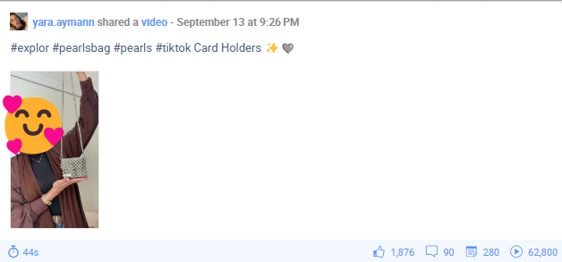
 |  | ura.pearls | Unique Selling Point USP
 |  |  | Unique fashion designs and astonishing styles that graps attentions. To some extent the owner vlogger is part of the USP.
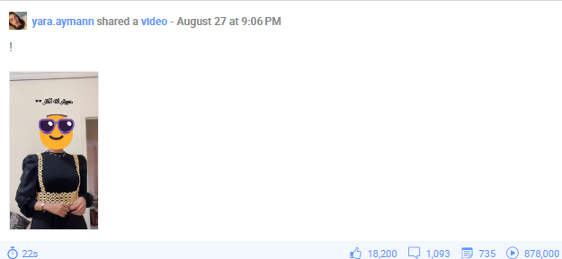

Tiktok is showing a higher interaction and engagement rate per post.

 |  | ura.pearls | Their Story
 |  |  | A young age vlogger passionate about fashion and cosmetics who started a business of selling hand made beads bags and products to share her intrests and her astonishing designs and love for her hobbies with her followers and potentially newer customers

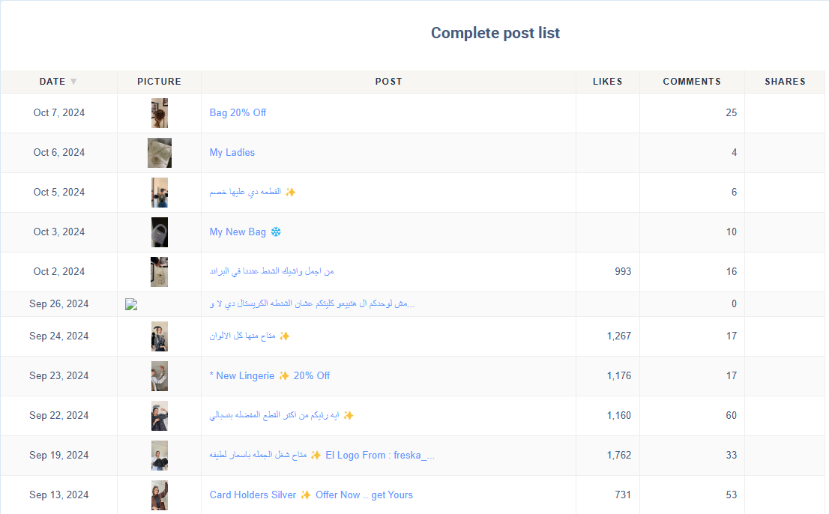

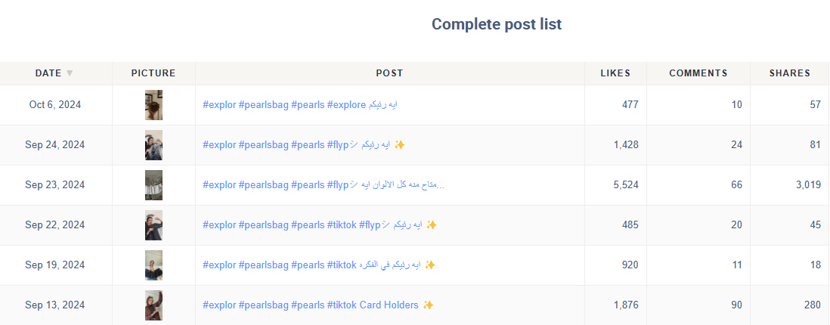
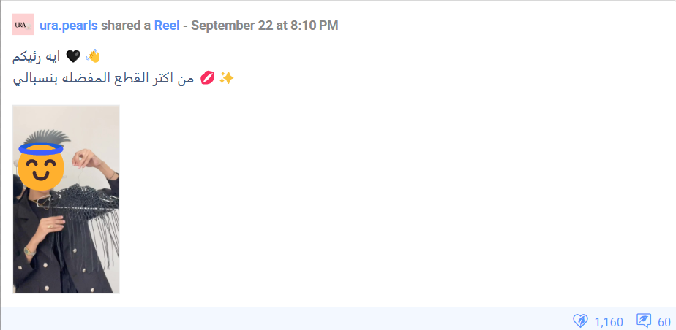

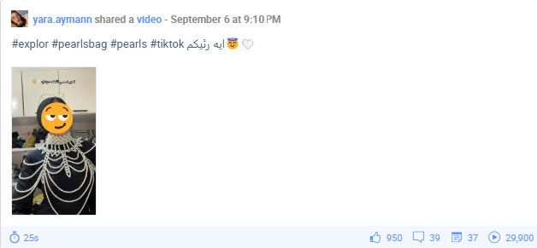
 |  | Strength |  |  | Weakness
 |  | Big base of loyal customers and good reviews |  |  | 48H replay time
 |  | High quality materials and products with unique astonishing designs |  |  | Owner refuses to hire new workers as she don't trust their skills
 |  | Custom packaging and logos that develop brand |  |  | Business is heavily dependent on the owner works and marketing
 |  | The owener vlogger acts as a strong marketing |  |  | Social media, packaging, are all done mainly by the owner which decreases productvity
 |  | Opportunities |  |  | Threats
 |  | The brand controls the local market very well, which means they could try expanding and ship outside the country, which will brings a lot of cash flow |  |  | Bad overall ecnomic situation in the country which increases the imported matrials prices
 |  |  |  |  | As buiness is heavily dependent on the owner and she is recently married, comptitors can exploit the long maternity leave, vacations and take a bigger market share.
 |  | Could expand to be a break and mortar business in an expensive mall.

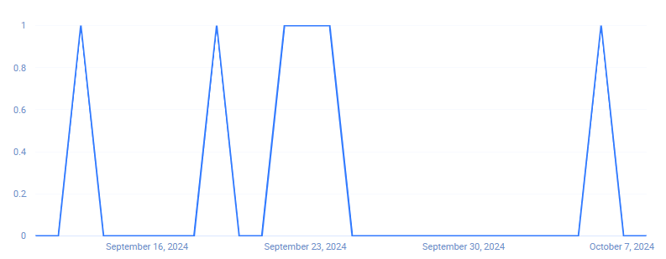
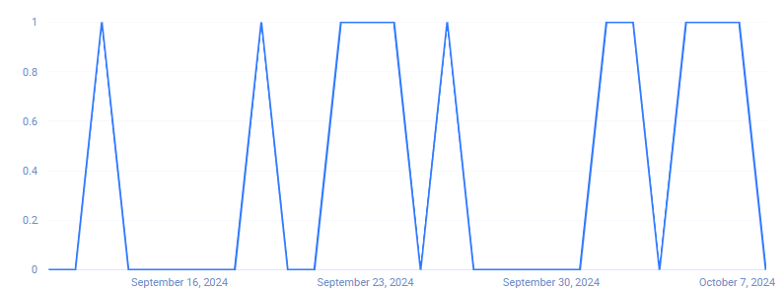

There are some solely products posts, but those are the LEAST perfoming and therefore fewer.
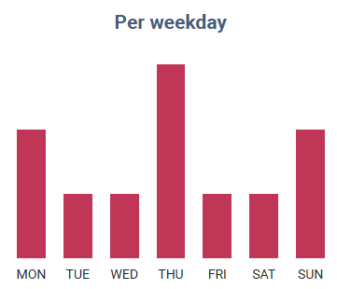
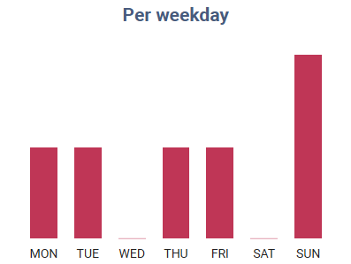

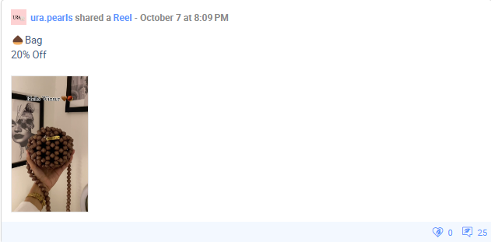

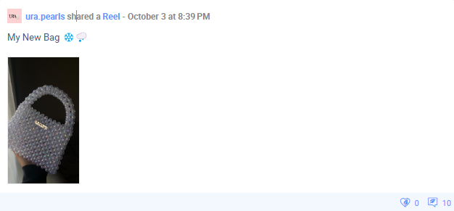
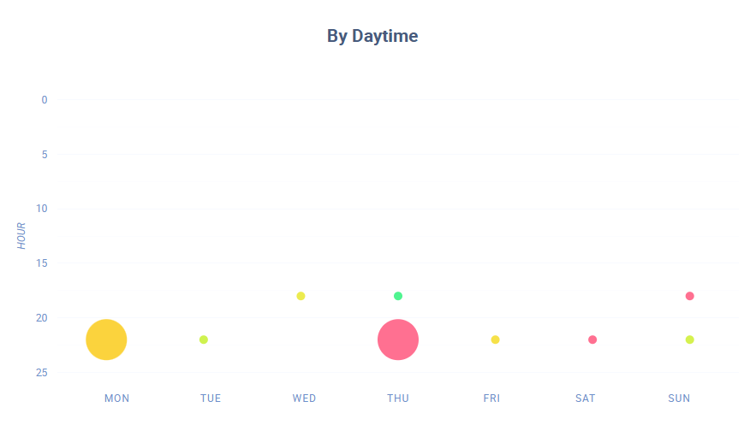
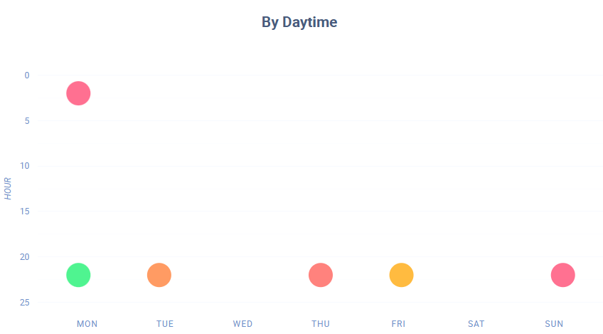
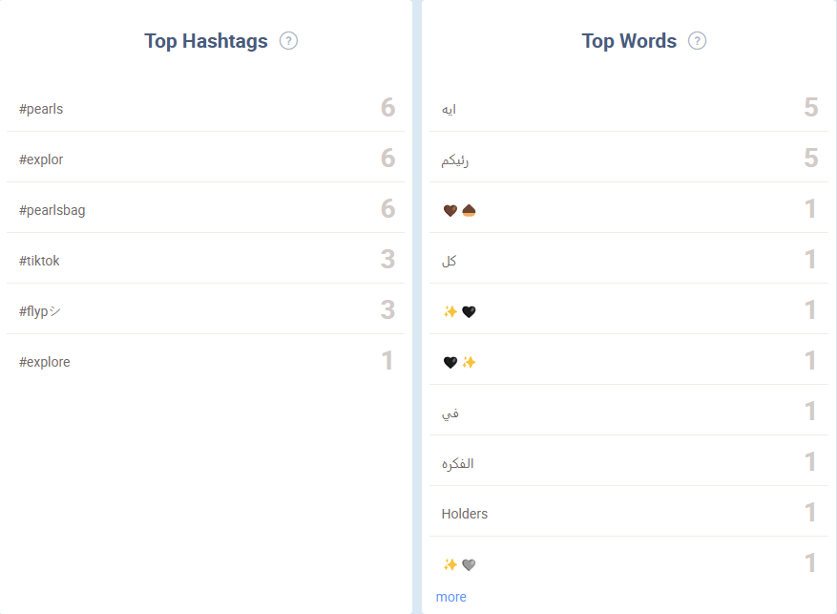
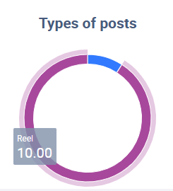

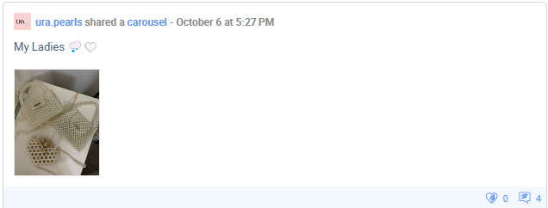

Instgram is showing a more frequent upload schedule, but both have posts usually uploaded between 6-11 PM

